Epstein_2014
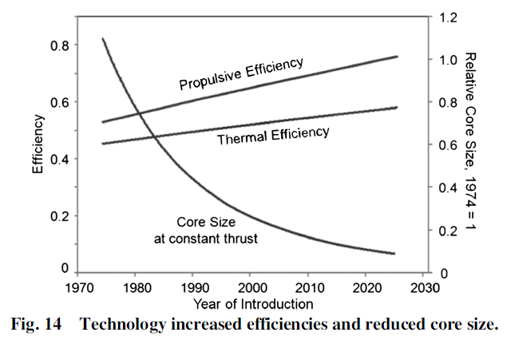
Epstein (2014) - Aeropropulsion for Commercial Aviation in the Twenty-First Century and Research Directions Needed
https://arc.aiaa.org/doi/pdf/10.2514/1.J052713
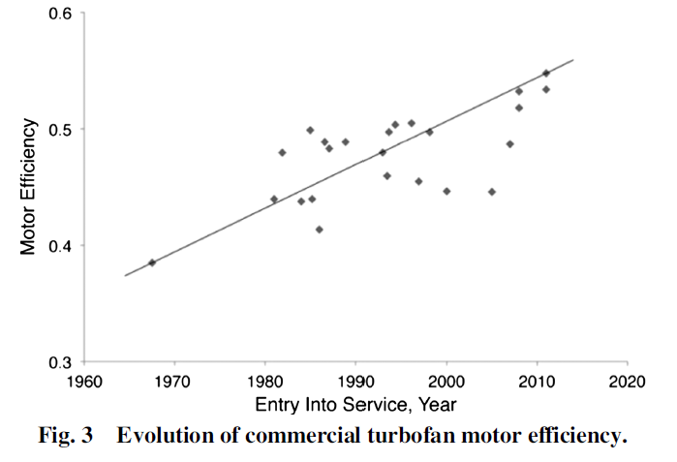
Figure 14 - Trend line data points
Year | Country | Thermal Efficiency [-] | Propulsive Efficiency [-] | Total Efficiency [-]
1975 | World | 45.00% | 53.00% | 23.85%
2020 | World | 55.00% | 72.00% | 39.60%

 |  |  |  |  |  | 1960 | 1975 | 2020
 |  |  |  |  | Thermal efficiency | 0.42 | 0.45 | 0.55
 |  |  |  |  | propulsive efficiency | 0.47 | 0.53 | 0.72
 |  |  |  |  | total efficiency | 19% | 24% | 40%

Jet_Fuel
BP (2011) - Air BP Handbook of products
https://web.archive.org/web/20110608075828if_/http://www.bp.com/liveassets/bp_internet/aviation/air_bp/STAGING/local_assets/downloads_pdfs/a/air_bp_products_handbook_04004_1.pdf

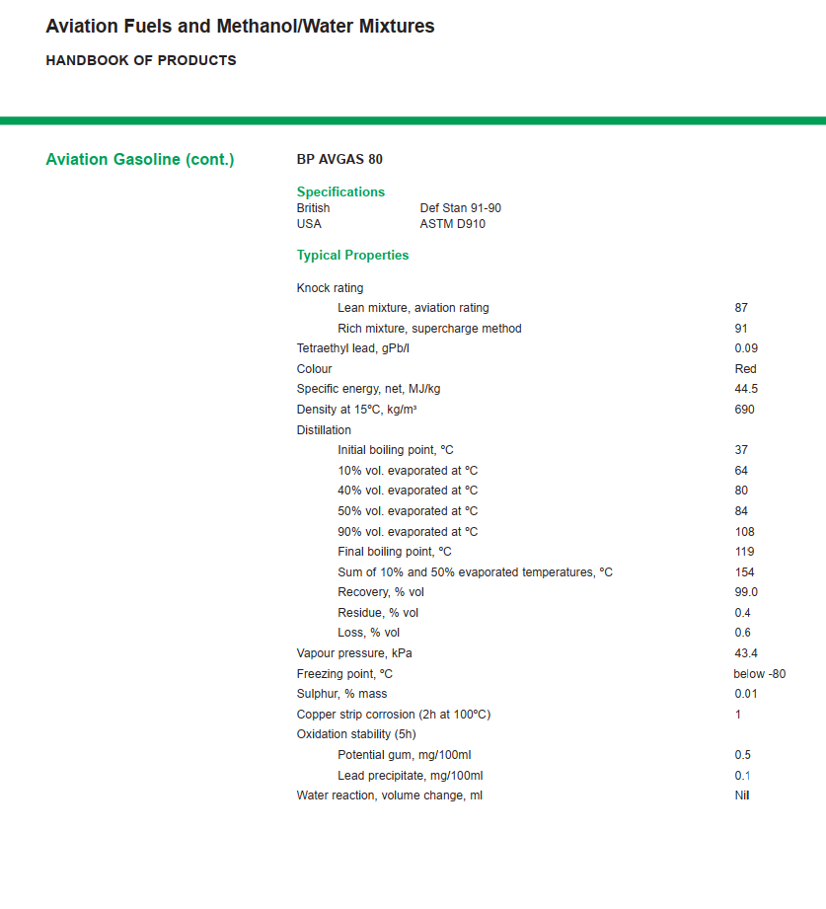
Specific energy | Units
44.5 | MJ/kg
44500000 | J/kg
44500 | J/g

